Sheet1
 |  | year_90 | year_20 | Horor | comedy
 | Movie1 | 1 | 0 | 1 | 0
 | Movie2 | 0 | 1 | 1 | 0
 | Movie3 | 1 | 0 | 1 | 0
 | Movie4 | 1 | 0 | 0 | 0
 | Movie5 | 0 | 1 | 1 | 0
 | Movie6 | 0 | 1 | 0 | 1
 | Movie7 | 0 | 1 | 1 | 0
 | Movie8 | 0 | 1 | 0 | 1
 | Movie9 | 1 | 0 | 0 | 1

 | dot product
 |  | Movie1 | Movie2 | Movie3 | Movie4 | Movie5 | Movie6 | Movie7 | Movie8 | Movie9 | max
 | Movie1 | 2 | 1 | 2 | 1 | 1 | 0 | 1 | 0 | 1 | 2
 | Movie2 | 1 | 2 | 1 | 0 | 2 | 1 | 2 | 1 | 0 | 2
 | Movie3 | 2 | 1 | 2 | 1 | 1 | 0 | 1 | 0 | 1 | 2
 | Movie4 | 1 | 0 | 1 | 1 | 0 | 0 | 0 | 0 | 1 | 1
 | Movie5 | 1 | 2 | 1 | 0 | 2 | 1 | 2 | 1 | 0 | 2
 | Movie6 | 0 | 1 | 0 | 0 | 1 | 2 | 1 | 2 | 1 | 2
 | Movie7 | 1 | 2 | 1 | 0 | 2 | 1 | 2 | 1 | 0 | 2
 | Movie8 | 0 | 1 | 0 | 0 | 1 | 2 | 1 | 2 | 1 | 2
 | Movie9 | 1 | 0 | 1 | 1 | 0 | 1 | 0 | 1 | 2 | 2

 | If I watched movie2 , I should get a recommendation of movie3 and movie5
 |  | Movie1 | Movie2 | Movie3 | Movie4 | Movie5 | Movie6 | Movie7 | Movie8 | Movie9
smilar to movie 2 |  | 0 | 1 | 0 | 0 | 1 | 0 | 1 | 0 | 0
my watched movie |  | 0 | 1 | 0 | 0 | 0 | 0 | 0 | 0 | 0
difference |  | 0 | 0 | 0 | 0 | 1 | 0 | 1 | 0 | 0

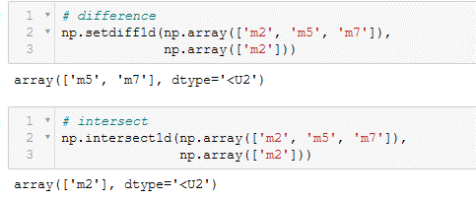

5
7

0.41666666667

